04-05-2016_AM
 |  |  |  |  |  | STYLE |  |  |  | TB1359 |  |  |  |  |  |  |  |  |  |  |  |  |  |  | MEASUREMENT CHART

 |  |  |  |  |  | COLLECTION |  |  |  | UC |  |  |  | SEASON |  |  | FW16 |  | SUPPLIER NO. |  |  |  |  |  | SWEATS / PULLOVER / JACKETS
 |  |  |  |  |  | GENDER |  |  |  | LADIES |  | DATE |  | 2016-05-04 |  |  |  |  | SIGNATURE |  |  |  | AM

Fertigmaße in cm für Größe measurements in cm for size | CODE | TOLERANCE (+/-) | XS | IS | S | IS | M | IS | L | IS | XL | IS | XXL | IS | 3XL | IS | 4XL | IS | 5XL | IS | 6XL | IS |  | 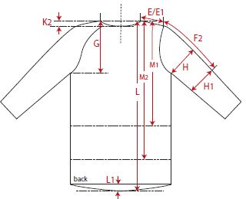 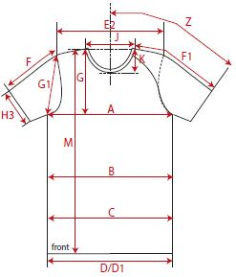

front length from HSP | M | 1 | 93.00 |  | 95.00 |  | 97.00 |  | 99.00 |  | 101.00
1/2 chest width | A | 1 | 44.50 |  | 47.00 |  | 49.50 |  | 52.00 |  | 54.50
shoulder to shoulder | E2 | 1 | 35.50 |  | 38.00 |  | 40.50 |  | 43.00 |  | 45.50
sleeve length from shoulder (set in) | F | 1 | 59.00 |  | 60.00 |  | 61.00 |  | 62.00 |  | 63.00

REMARK

